TEDB Edition 40
Before 1989 the U.S. produced enough petroleum to meet the needs of the transportation sector but was still short of meeting the petroleum needs of all the sectors, including industrial, residential and commercial, and electric utilities. In 1970 the gap between what the U.S. produced and what was consumed was about 3 million barrels per day and in 2007, the gap was 12.8 million barrels per day. By 2050, there is no gap expected if petroleum and other inputs are included or 1.6 million barrels per day if only conventional petroleum is used.

Figure 1.5. United States Petroleum Production and Consumption – All Sectors, 1970-2050
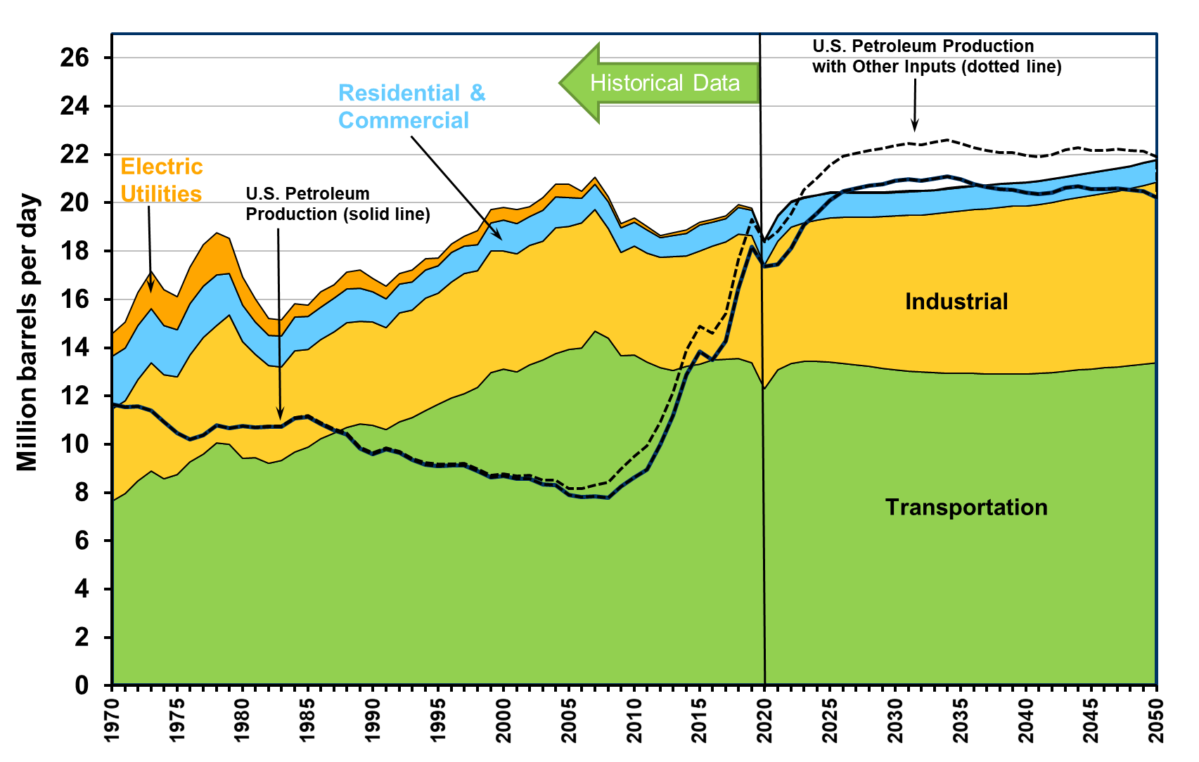

Year | Transportation | Industrial | Residential and Commercial | Electric Utilities | Total | U.S. Petroleum Production with Other Inputs 2012-on (dotted line) | U.S. Petroleum Production without Other Inputs
1970 | 7.6 | 3.8 | 2.2 | 0.9 | 14.6 | 11.7 | 11.7
1971 | 8.0 | 3.8 | 2.2 | 1.1 | 15.1 | 11.5 | 11.5
1972 | 8.5 | 4.2 | 2.3 | 1.4 | 16.3 | 11.6 | 11.6
1973 | 8.9 | 4.5 | 2.2 | 1.5 | 17.1 | 11.4 | 11.4
1974 | 8.6 | 4.3 | 2.0 | 1.5 | 16.4 | 10.9 | 10.9
1975 | 8.7 | 4.0 | 1.9 | 1.4 | 16.1 | 10.5 | 10.5
1976 | 9.3 | 4.4 | 2.1 | 1.5 | 17.3 | 10.2 | 10.2
1977 | 9.6 | 4.8 | 2.1 | 1.7 | 18.3 | 10.4 | 10.4
1978 | 10.1 | 4.9 | 2.1 | 1.7 | 18.7 | 10.8 | 10.8
1979 | 10.0 | 5.3 | 1.7 | 1.4 | 18.5 | 10.7 | 10.7
1980 | 9.4 | 4.8 | 1.5 | 1.2 | 16.9 | 10.8 | 10.8
1981 | 9.5 | 4.3 | 1.3 | 1.0 | 16.0 | 10.7 | 10.7
1982 | 9.2 | 4.1 | 1.2 | 0.7 | 15.2 | 10.7 | 10.7
1983 | 9.3 | 3.9 | 1.3 | 0.7 | 15.2 | 10.8 | 10.7
1984 | 9.7 | 4.2 | 1.4 | 0.6 | 15.8 | 11.1 | 11.1
1985 | 9.9 | 4.1 | 1.3 | 0.5 | 15.8 | 11.2 | 11.1
1986 | 10.2 | 4.1 | 1.4 | 0.6 | 16.3 | 10.9 | 10.8
1987 | 10.5 | 4.2 | 1.4 | 0.6 | 16.6 | 10.6 | 10.6
1988 | 10.7 | 4.3 | 1.4 | 0.7 | 17.1 | 10.5 | 10.4
1989 | 10.8 | 4.3 | 1.4 | 0.7 | 17.2 | 9.9 | 9.8
1990 | 10.8 | 4.3 | 1.2 | 0.6 | 16.9 | 9.6 | 9.6
1991 | 10.6 | 4.2 | 1.2 | 0.5 | 16.6 | 9.8 | 9.8
1992 | 10.9 | 4.5 | 1.2 | 0.4 | 17.1 | 9.7 | 9.6
1993 | 11.1 | 4.4 | 1.2 | 0.5 | 17.2 | 9.4 | 9.3
1994 | 11.4 | 4.7 | 1.2 | 0.5 | 17.7 | 9.2 | 9.2
1995 | 11.7 | 4.6 | 1.1 | 0.3 | 17.7 | 9.2 | 9.1
1996 | 11.9 | 4.8 | 1.2 | 0.4 | 18.3 | 9.2 | 9.1
1997 | 12.1 | 5.0 | 1.2 | 0.4 | 18.6 | 9.2 | 9.1
1998 | 12.3 | 4.8 | 1.1 | 0.6 | 18.8 | 9.0 | 8.9
1999 | 13.0 | 5.0 | 1.2 | 0.5 | 19.7 | 8.7 | 8.6
2000 | 13.1 | 4.9 | 1.3 | 0.5 | 19.8 | 8.8 | 8.7
2001 | 13.0 | 4.9 | 1.3 | 0.6 | 19.7 | 8.7 | 8.6
2002 | 13.3 | 4.9 | 1.2 | 0.4 | 19.8 | 8.7 | 8.6
2003 | 13.5 | 4.9 | 1.3 | 0.5 | 20.2 | 8.5 | 8.3
2004 | 13.8 | 5.2 | 1.3 | 0.5 | 20.8 | 8.5 | 8.3
2005 | 13.9 | 5.1 | 1.2 | 0.5 | 20.8 | 8.2 | 7.9
2006 | 14.0 | 5.2 | 1.0 | 0.3 | 20.5 | 8.2 | 7.8
2007 | 14.7 | 5.1 | 1.0 | 0.3 | 21.1 | 8.3 | 7.9
2008 | 14.4 | 4.6 | 1.1 | 0.2 | 20.3 | 8.4 | 7.8
2009 | 13.7 | 4.3 | 1.0 | 0.2 | 19.1 | 9.0 | 8.2
2010 | 13.7 | 4.5 | 1.0 | 0.2 | 19.4 | 9.5 | 8.6
2011 | 13.4 | 4.5 | 0.9 | 0.1 | 19.0 | 9.9 | 9.0
2012 | 13.2 | 4.6 | 0.8 | 0.1 | 18.6 | 10.9 | 10.0
2013 | 13.1 | 4.7 | 0.9 | 0.1 | 18.8 | 12.1 | 11.2
2014 | 13.2 | 4.6 | 0.9 | 0.1 | 18.9 | 13.9 | 12.9
2015 | 13.3 | 4.7 | 1.1 | 0.1 | 19.2 | 14.9 | 13.9
2016 | 13.5 | 4.7 | 1.0 | 0.1 | 19.3 | 14.6 | 13.5
2017 | 13.5 | 4.9 | 1.0 | 0.1 | 19.5 | 15.4 | 14.3
2018 | 13.6 | 5.2 | 1.1 | 0.1 | 19.9 | 17.6 | 16.5
2019 | 13.4 | 5.3 | 1.1 | 0.1 | 19.8 | 19.3 | 18.2
2020 | 12.3 | 5.1 | 0.9 | 0.1 | 18.5 | 18.4 | 17.4
2021 | 13.1 | 5.3 | 1.0 | 0.1 | 19.5 | 18.8 | 17.5
2022 | 13.4 | 5.6 | 1.0 | 0.1 | 20.1 | 19.5 | 18.1
2023 | 13.4 | 5.7 | 1.0 | 0.1 | 20.2 | 20.5 | 19.1
2024 | 13.4 | 5.9 | 1.0 | 0.0 | 20.3 | 21.0 | 19.6
2025 | 13.4 | 6.0 | 1.0 | 0.0 | 20.4 | 21.6 | 20.1
2026 | 13.4 | 6.1 | 1.0 | 0.0 | 20.5 | 21.9 | 20.5
2027 | 13.3 | 6.1 | 1.0 | 0.0 | 20.4 | 22.1 | 20.6
2028 | 13.2 | 6.2 | 1.0 | 0.0 | 20.4 | 22.2 | 20.7
2029 | 13.1 | 6.3 | 1.0 | 0.0 | 20.4 | 22.3 | 20.8
2030 | 13.1 | 6.4 | 1.0 | 0.0 | 20.5 | 22.4 | 20.9
2031 | 13.0 | 6.4 | 1.0 | 0.0 | 20.5 | 22.5 | 21.0
2032 | 13.0 | 6.5 | 1.0 | 0.0 | 20.5 | 22.4 | 20.9
2033 | 13.0 | 6.6 | 1.0 | 0.0 | 20.5 | 22.5 | 21.0
2034 | 12.9 | 6.7 | 1.0 | 0.0 | 20.6 | 22.6 | 21.1
2035 | 12.9 | 6.7 | 1.0 | 0.0 | 20.7 | 22.5 | 21.0
2036 | 12.9 | 6.8 | 1.0 | 0.0 | 20.7 | 22.3 | 20.8
2037 | 12.9 | 6.8 | 1.0 | 0.0 | 20.7 | 22.2 | 20.7
2038 | 12.9 | 6.9 | 0.9 | 0.0 | 20.8 | 22.1 | 20.6
2039 | 12.9 | 6.9 | 0.9 | 0.0 | 20.8 | 22.1 | 20.5
2040 | 12.9 | 7.0 | 0.9 | 0.0 | 20.9 | 22.0 | 20.4
2041 | 12.9 | 7.0 | 0.9 | 0.0 | 20.9 | 21.9 | 20.4
2042 | 13.0 | 7.0 | 0.9 | 0.0 | 21.0 | 22.0 | 20.4
2043 | 13.0 | 7.1 | 0.9 | 0.0 | 21.1 | 22.2 | 20.6
2044 | 13.1 | 7.1 | 0.9 | 0.0 | 21.2 | 22.3 | 20.7
2045 | 13.1 | 7.2 | 0.9 | 0.0 | 21.3 | 22.2 | 20.6
2046 | 13.2 | 7.2 | 0.9 | 0.0 | 21.3 | 22.2 | 20.6
2047 | 13.2 | 7.3 | 0.9 | 0.0 | 21.4 | 22.2 | 20.6
2048 | 13.3 | 7.3 | 0.9 | 0.0 | 21.5 | 22.2 | 20.5
2049 | 13.3 | 7.4 | 0.9 | 0.0 | 21.7 | 22.1 | 20.5
2050 | 13.4 | 7.5 | 0.9 | 0.0 | 21.8 | 21.9 | 20.2

Notes: “Total U.S. Petroleum Production” includes crude oil, natural gas plant liquids, and refinery gains. It does not include dry natural gas. “Total U.S. Petroleum Production” is for all uses. “Total U.S. Petroleum Production with Other Inputs” also includes non-petroleum sources such as ethanol, biomass, liquids from coal, other blending components, other hydrocarbons, and ethers which were domestically produced. The change from historical values to projected values is between 2020 and 2021, except transportation which is between 2019 and 2020. The sharp increase in the value for heavy trucks between 2006 and 2007 is the result of the Federal Highway Administration’s methodology change.

Sources:
Historical transportation petroleum use – See Tables 1.14 and 1.15. Historical petroleum use for other sectors – See Table 1.13. Historical U.S. petroleum production – Energy Information Administration, Monthly Energy Review September 2021, Table 3.1. Historical other inputs - Energy Information Administration, Monthly Energy Review September 2021, Tables 10.3 and 10.4. Forecasted petroleum use and petroleum production – Energy Information Administration, 2021 Annual Energy Outlook, January 2021, reference case tables 7, 11, and 35.

